Copyright
Copyright Notice

- The Dashboard in this file and data was created by Mynda Treacy from My Online Training Hub.
- Individual users are permitted to recreate the dashboard for personal practice only.
- Recreating the dashboard for training of others is not permitted, unless written consent is granted by Mynda Treacy.
- Sharing images of dashboards you build based on this data and or dashboard on social media must be accompanied by the following:
Check out the original Dashboard by Mynda Treacy here: https://youtu.be/5qtSioTE2wY

- Sharing Excel files containing dashboards you build based on this data and or dashboard on social media is not permitted*.
*Please direct people to download the original file from the link in the video description on YouTube.

- The workbook and any visualization pages must be accompanied by the following copyright notice: My Online Training Hub ©.
- This sheet must remain in any file that uses this data and or these Dashboard techniques.
- Any uses of this workbook and/or data must include the above attribution.

Dashboard
Days Completed | 42%
Days Remaining | 58%
OVERALL TASK PROGRESS
 | Not Started | In Progress | Completed
 | 4 | 33 | 3
Actual | 42%
Budget | 58%
BUDGET VS ACTUAL
 | Actual | Budget
Total | 8.3M | 19.7M
Project Management Dashboard |  |  |  |  | 17-Feb-20 to 13-Mar-20
This shape represents a slicer. Slicers are supported in Excel 2010 or later.If the shape was modified in an earlier version of Excel, or if the workbook was saved in Excel 2003 or earlier, the slicer cannot be used.
This shape represents a slicer. Slicers are supported in Excel 2010 or later.If the shape was modified in an earlier version of Excel, or if the workbook was saved in Excel 2003 or earlier, the slicer cannot be used.
42%

Project | Task | Manager | Start Date | End Date | Duration | Days comp. | Progress | Budget | Actual | 2020-02-17 | 2020-02-18 | 2020-02-19 | 2020-02-20 | 2020-02-21 | 2020-02-22 | 2020-02-23 | 2020-02-24 | 2020-02-25 | 2020-02-26 | 2020-02-27 | 2020-02-28 | 2020-02-29 | 2020-03-01 | 2020-03-02 | 2020-03-03 | 2020-03-04 | 2020-03-05 | 2020-03-06 | 2020-03-07 | 2020-03-08 | 2020-03-09 | 2020-03-10 | 2020-03-11 | 2020-03-12 | 2020-03-13
Alpha | Task 1 | McFay | 2020-02-28 | 2020-03-10 | 8 | 3 | 38% | 96,000 | 32,256
 | Task 2 | Wood | 2020-03-02 | 2020-03-12 | 9 | 4 | 44% | 513,000 | 226,233
 | Task 3 | Ladd | 2020-02-20 | 2020-02-26 | 5 | 3 | 60% | 616,000 | 401,579
Click here to read copyright information before sharing images of this dashboard, or one you build using this data, on social media.
To remove this box, hold CTRL and left click, then DELETE.
 | Task 4 | Hirsch | 2020-02-19 | 2020-02-21 | 3 | 3 | 100% | 817,000 | 807,069
 | Task 5 | Samora | 2020-02-21 | 2020-03-02 | 7 | 3 | 43% | 372,000 | 173,166
 | Task 6 | McFay | 2020-02-24 | 2020-03-06 | 10 | 2 | 20% | 50,000 | 8,400
 | Task 7 | Wood | 2020-02-24 | 2020-03-06 | 10 | 3 | 30% | 807,000 | 262,679
 | Task 8 | Ladd | 2020-02-24 | 2020-02-26 | 3 | 0 | 0% | 691,000 | 0
Delta | Task 1 | Hirsch | 2020-03-02 | 2020-03-12 | 9 | 8 | 89% | 787,000 | 727,188
 | Task 2 | Samora | 2020-03-02 | 2020-03-13 | 10 | 2 | 20% | 228,000 | 47,880
 | Task 3 | McFay | 2020-02-17 | 2020-02-20 | 4 | 0 | 0% | 147,000 | 0
 | Task 4 | Wood | 2020-02-19 | 2020-02-28 | 8 | 5 | 63% | 338,000 | 205,123
 | Task 5 | Ladd | 2020-02-24 | 2020-03-06 | 10 | 3 | 30% | 857,000 | 305,949
 | Task 6 | Hirsch | 2020-02-25 | 2020-03-03 | 6 | 3 | 50% | 602,000 | 322,371
 | Task 7 | Samora | 2020-02-25 | 2020-02-28 | 4 | 2 | 50% | 990,000 | 451,440
Gemini | Task 1 | Hirsch | 2020-02-17 | 2020-02-21 | 5 | 2 | 40% | 218,000 | 97,337
 | Task 2 | Samora | 2020-02-17 | 2020-02-24 | 6 | 3 | 50% | 393,000 | 177,440
 | Task 3 | McFay | 2020-02-18 | 2020-03-02 | 10 | 4 | 40% | 86,000 | 31,046
 | Task 4 | Wood | 2020-02-21 | 2020-03-04 | 9 | 3 | 33% | 732,000 | 261,324
 | Task 5 | Ladd | 2020-02-17 | 2020-02-20 | 4 | 1 | 25% | 492,000 | 116,850
 | Task 6 | Hirsch | 2020-02-20 | 2020-02-27 | 6 | 0 | 0% | 188,000 | 0
 | Task 7 | Samora | 2020-02-20 | 2020-02-28 | 7 | 3 | 43% | 180,000 | 79,380
 | Task 8 | McFay | 2020-02-24 | 2020-02-28 | 5 | 2 | 40% | 582,000 | 195,231
 | Task 9 | Wood | 2020-02-24 | 2020-03-05 | 9 | 1 | 11% | 562,000 | 74,746
 | Task 10 | Ladd | 2020-02-24 | 2020-03-02 | 6 | 3 | 50% | 416,000 | 175,015
Orion | Task 1 | Hirsch | 2020-02-18 | 2020-02-26 | 7 | 7 | 100% | 293,000 | 273,001
 | Task 2 | Samora | 2020-02-17 | 2020-02-27 | 9 | 4 | 44% | 224,000 | 57,910
 | Task 3 | McFay | 2020-02-18 | 2020-02-27 | 8 | 0 | 0% | 978,000 | 0
 | Task 4 | Wood | 2020-02-20 | 2020-02-28 | 7 | 3 | 43% | 932,000 | 379,157
 | Task 5 | Ladd | 2020-02-21 | 2020-02-26 | 4 | 1 | 25% | 854,000 | 322,812
 | Task 6 | Hirsch | 2020-02-21 | 2020-02-28 | 6 | 3 | 50% | 81,000 | 38,461
 | Task 7 | Samora | 2020-02-24 | 2020-03-02 | 6 | 5 | 83% | 169,000 | 136,468
 | Task 8 | McFay | 2020-02-25 | 2020-02-28 | 4 | 1 | 25% | 61,000 | 12,078
 | Task 9 | Wood | 2020-02-27 | 2020-03-06 | 7 | 3 | 43% | 645,000 | 273,048
 | Task 10 | Ladd | 2020-02-17 | 2020-02-19 | 3 | 3 | 100% | 68,000 | 64,987
Vega | Task 1 | Hirsch | 2020-02-17 | 2020-02-28 | 10 | 5 | 50% | 839,000 | 406,974
 | Task 2 | Samora | 2020-02-21 | 2020-02-27 | 5 | 4 | 80% | 729,000 | 487,139
 | Task 3 | McFay | 2020-02-24 | 2020-03-03 | 7 | 3 | 43% | 826,000 | 298,186
 | Task 4 | Wood | 2020-02-26 | 2020-03-05 | 7 | 2 | 29% | 895,000 | 280,583
 | Task 5 | Ladd | 2020-02-28 | 2020-03-03 | 3 | 2 | 67% | 341,000 | 129,785
Grand Total |  |  |  |  |  |  |  | 19,695,000 | 8,340,291

Workings
Budget v Actual Doughnut & Bar Chart |  |  | Tasks Bar Chart |  |  | Overall Progress - Days Completed v Duration Doughnut Chart |  |  |  |  | Scroll bar position
 | Actual | Budget | Not Started | 4 | #NAME? | Values |  | Doughnut Chart | % | Formula | 0
Bar Chart | 8.3M | 19.7M | In Progress | 33 |  | Days completed | 112 | Days Completed | 42% | =J3/$J$4
Dougnut Chart | 42% | 58% | Completed | 3 |  | Duration | 266 | Days Remaining | 58% | =1-M3
 |  | =1-B4 | Remaining | 37
 |  |  | Total Tasks | 40

days completed | 42%
days remaining | 58%

Instructions
CLICK TO WATCH THE
VIDEO TUTORIAL
Project Management Dashboard Instructions

Step 1 | Format source data in an Excel Table - CTRL+T

Step 2 | Dashboard PivotTable
2.01 | Insert Dashboard PivotTable in cell A5
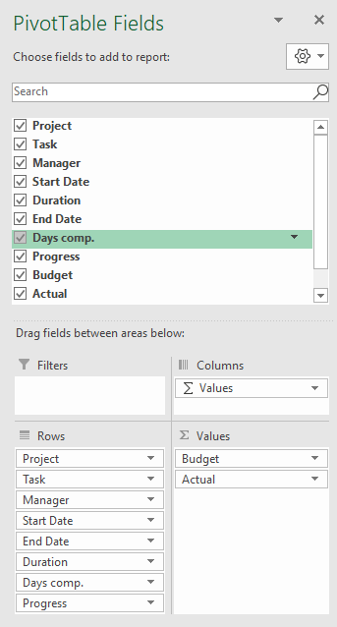

2.02 | Format PivotTable with Tabular layout & no subtotals
2.03 | Format PivotTable Budget & Actual values via Field Settings
2.04 | PivotTable Options > Turn off Expand/Collapse buttons
2.05 | Format PivotTable in light grey
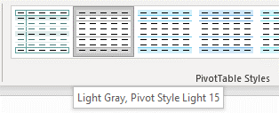

Step 3 | Insert Table for Tasks Bar Chart on Workings Sheet

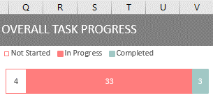

 | Bar chart height 3.73 x 9.0 wide.

Step 4 | Insert doughnut chart PivotTable for Overall Completed - Completed Days vs Duration

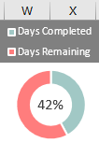

 |  | Chart height 3.73 x width 3.25

Step 5 | Insert budget vs actual doughnut & bar chart PivotTable on Workings Sheet
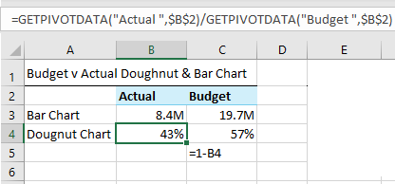
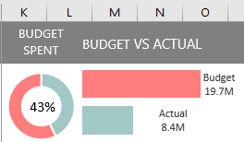
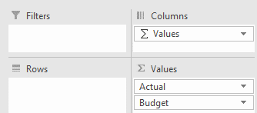

 | Doughnut hole 58%
 | Bar chart series overlap -30%, gap width 0%
 | Doughnut chart height 3.73 x width 3.25, Bar Chart height 3.73 x width 6.

Step 6 | Insert Slicers for Project and Manager fields & connect to all PivotTables
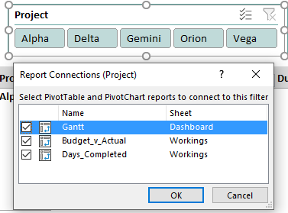
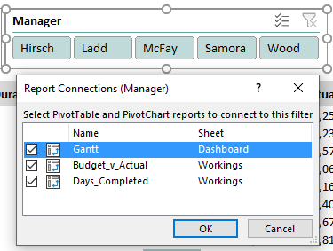

Step 7 | Add text for date range to header cell F1:

 | =TEXT(MIN(D6:D51),"d-mmm-yy")&" to "&TEXT(MAX(E6:E51),"d-mmm-yy")

Step 8 | Add scroll bar and link to a cell P2 in the Workings sheet
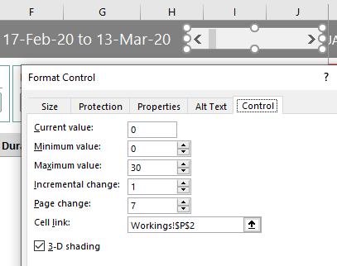

Step 9 | Add calendar dates in cell K5:AJ5
 | Note: the formula below only works in Excel for Office 365.

 | =SEQUENCE(1,26,MIN(Table1[Start Date])+Workings!P2,1)

Step 10 | Gantt Chart - Conditional Formatting (extend the 'applies to' range to allow for growth in your data)

10.1 | Add data bars to Progress column of PivotTable

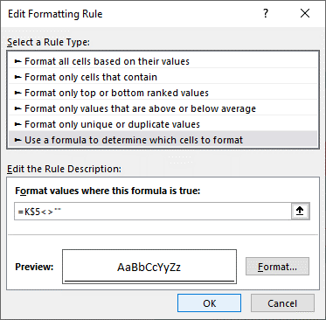
10.2 | Format Dates in row 5

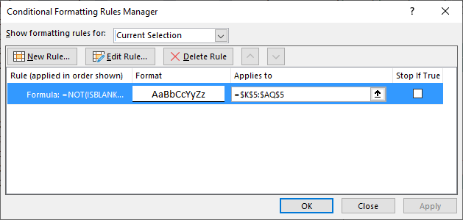

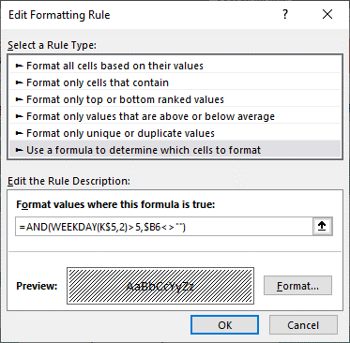
10.3 | Shade columns for weekend dates
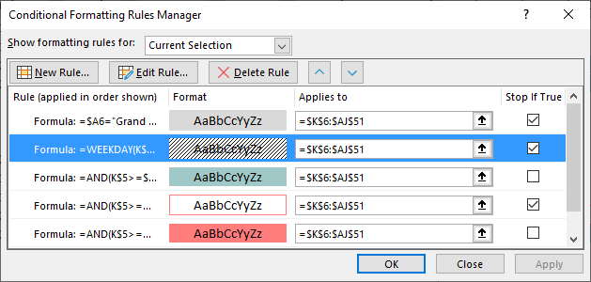

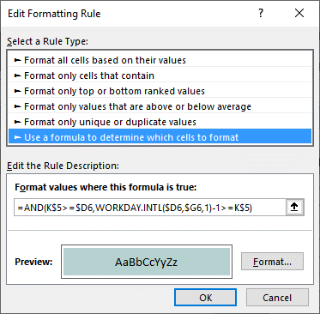
10.4 | Add fill colour for completed dates
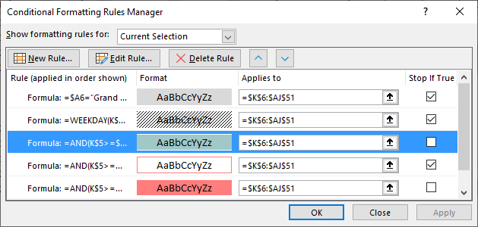

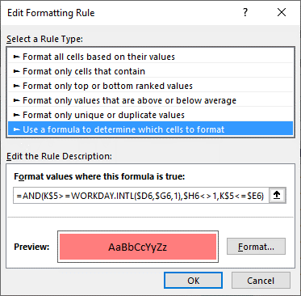
10.5 | Add fill colour for in progress dates
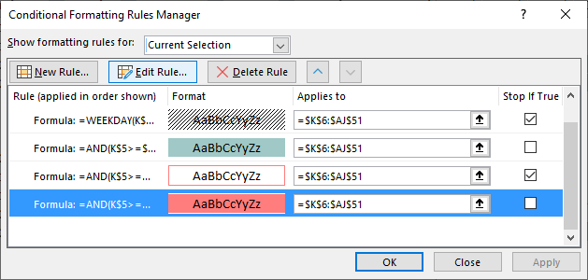

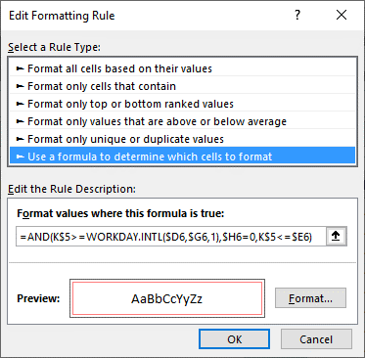
10.6 | Add cell borders for 'not started' dates
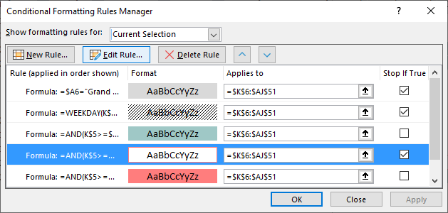

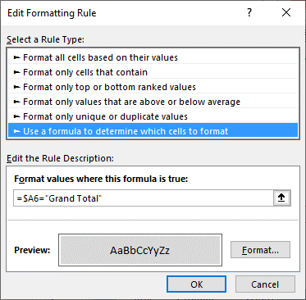
10.7 | Add grey shading to Grand Total row
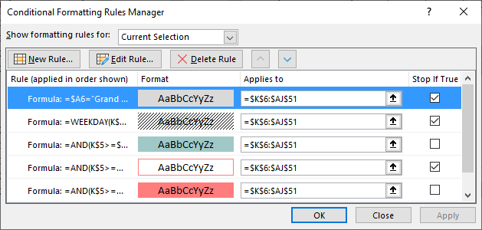

Step 11 | Freeze Panes at cell A6

Dashboard Protection
Protecting your dashboard
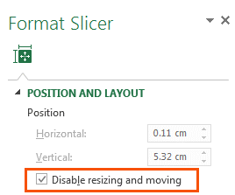
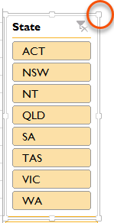
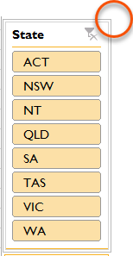
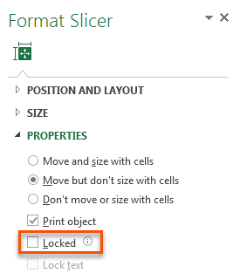
1. Slicers - prevent users activating the pull handles when using the Slicer by selecting 'Disable resizing and moving' in the Slicer Position and Layout setting (right-click Slicer).
Or Slicers - Simply protect the worksheet containing the Dashboard, but make sure you 'unprotect' Slicers so that they can still be clicked:
Before Disabling Resizing
After Disabling Resizing

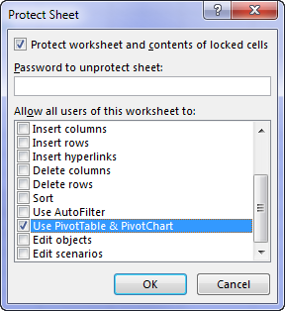
2. Worksheet Protection - You'll find the Worksheet Protection on the Review tab:



If your Dashboard sheet contains a PivotTable, make sure 'Use PivotTable & PivotChart' is checked so that Slicers work.
Note, this will prevent the PivotTables in the entire file from being refreshed, so if you're planning on updating your dashboard with new data, then option 3 is preferred.

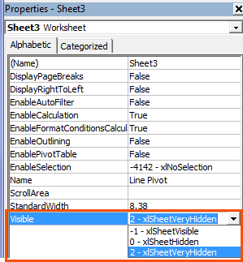
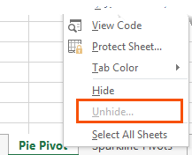
3. Hide Worksheets
A better solution is to set the property for the
sheets containing your data and workings to
VeryHidden in the VB Editor Alt+F11.
When you right-click the sheet tab there is no
indication that worksheets are hidden when
their properties are set to 'xlSheetVeryHidden'


4. Protect Workbook
Once you've 'VeryHidden' the sheets containing your workings and data you need to protect your workbook so your users can't unhide them.
WARNING: this protection is not bullet proof. If a user wants to get to your underlying data they can find a way. A Google search will reveal various ways to crack your password, or simply remove the protection.
Therefore Worksheet Protection should be used to prevent users breaking your report, but don't count on it protecting super sensitive information.

db1
days completed | 42%
days remaining | 58%
OVERALL TASK PROGRESS
 | Not Started | In Progress | Completed
 | 4 | 33 | 3
BUDGET SPENT
 | 42%
 | 58%
Budget vs Actual
 | Actual | Budget
Total | 8.3M | 19.7M
PROJECT MANAGEMENT DASHBOARD |  |  |  |  | 17-Feb-20to13-Mar-20

Project | Task | Manager | Start Date | End Date | Duration | Progress | Days completed | Budget | Actual | 2020-02-19 | 2020-02-20 | 2020-02-21 | 2020-02-22 | 2020-02-23 | 2020-02-24 | 2020-02-25 | 2020-02-26 | 2020-02-27 | 2020-02-28 | 2020-02-29 | 2020-03-01 | 2020-03-02 | 2020-03-03 | 2020-03-04 | 2020-03-05 | 2020-03-06 | 2020-03-07 | 2020-03-08 | 2020-03-09 | 2020-03-10 | 2020-03-11 | 2020-03-12 | 2020-03-13 | 2020-03-14 | 2020-03-15
Alpha | Task 1 | McFay | 28/02/2020 | 2020-03-10 | 8 | 38% | 3 | 96,000 | 32,256
 | Task 2 | Wood | 02/03/2020 | 2020-03-12 | 9 | 44% | 4 | 513,000 | 226,233
 | Task 3 | Ladd | 20/02/2020 | 2020-02-26 | 5 | 60% | 3 | 616,000 | 401,579
 | Task 4 | Hirsch | 19/02/2020 | 2020-02-21 | 3 | 100% | 3 | 817,000 | 807,069
 | Task 5 | Samora | 21/02/2020 | 2020-03-02 | 7 | 43% | 3 | 372,000 | 173,166
 | Task 6 | McFay | 24/02/2020 | 2020-03-06 | 10 | 20% | 2 | 50,000 | 8,400
 | Task 7 | Wood | 24/02/2020 | 2020-03-06 | 10 | 30% | 3 | 807,000 | 262,679
 | Task 8 | Ladd | 24/02/2020 | 2020-02-26 | 3 | 0% | 0 | 691,000 | 0
Delta | Task 1 | Hirsch | 02/03/2020 | 2020-03-12 | 9 | 89% | 8 | 787,000 | 727,188
 | Task 2 | Samora | 02/03/2020 | 2020-03-13 | 10 | 20% | 2 | 228,000 | 47,880
 | Task 3 | McFay | 17/02/2020 | 2020-02-20 | 4 | 0% | 0 | 147,000 | 0
 | Task 4 | Wood | 19/02/2020 | 2020-02-28 | 8 | 63% | 5 | 338,000 | 205,123
 | Task 5 | Ladd | 24/02/2020 | 2020-03-06 | 10 | 30% | 3 | 857,000 | 305,949
 | Task 6 | Hirsch | 25/02/2020 | 2020-03-03 | 6 | 50% | 3 | 602,000 | 322,371
 | Task 7 | Samora | 25/02/2020 | 2020-02-28 | 4 | 50% | 2 | 990,000 | 451,440
Gemini | Task 1 | Hirsch | 17/02/2020 | 2020-02-21 | 5 | 40% | 2 | 218,000 | 97,337
 | Task 10 | Ladd | 24/02/2020 | 2020-03-02 | 6 | 50% | 3 | 416,000 | 175,015
 | Task 2 | Samora | 17/02/2020 | 2020-02-24 | 6 | 50% | 3 | 393,000 | 177,440
 | Task 3 | McFay | 18/02/2020 | 2020-03-02 | 10 | 40% | 4 | 86,000 | 31,046
 | Task 4 | Wood | 21/02/2020 | 2020-03-04 | 9 | 33% | 3 | 732,000 | 261,324
 | Task 5 | Ladd | 17/02/2020 | 2020-02-20 | 4 | 25% | 1 | 492,000 | 116,850
 | Task 6 | Hirsch | 20/02/2020 | 2020-02-27 | 6 | 0% | 0 | 188,000 | 0
 | Task 7 | Samora | 20/02/2020 | 2020-02-28 | 7 | 43% | 3 | 180,000 | 79,380
 | Task 8 | McFay | 24/02/2020 | 2020-02-28 | 5 | 40% | 2 | 582,000 | 195,231
 | Task 9 | Wood | 24/02/2020 | 2020-03-05 | 9 | 11% | 1 | 562,000 | 74,746
Orion | Task 1 | Hirsch | 18/02/2020 | 2020-02-26 | 7 | 100% | 7 | 293,000 | 273,001
 | Task 10 | Ladd | 17/02/2020 | 2020-02-19 | 3 | 100% | 3 | 68,000 | 64,987
 | Task 2 | Samora | 17/02/2020 | 2020-02-27 | 9 | 44% | 4 | 224,000 | 57,910
 | Task 3 | McFay | 18/02/2020 | 2020-02-27 | 8 | 0% | 0 | 978,000 | 0
 | Task 4 | Wood | 20/02/2020 | 2020-02-28 | 7 | 43% | 3 | 932,000 | 379,157
 | Task 5 | Ladd | 21/02/2020 | 2020-02-26 | 4 | 25% | 1 | 854,000 | 322,812
 | Task 6 | Hirsch | 21/02/2020 | 2020-02-28 | 6 | 50% | 3 | 81,000 | 38,461
 | Task 7 | Samora | 24/02/2020 | 2020-03-02 | 6 | 83% | 5 | 169,000 | 136,468
 | Task 8 | McFay | 25/02/2020 | 2020-02-28 | 4 | 25% | 1 | 61,000 | 12,078
 | Task 9 | Wood | 27/02/2020 | 2020-03-06 | 7 | 43% | 3 | 645,000 | 273,048
Vega | Task 1 | Hirsch | 17/02/2020 | 2020-02-28 | 10 | 50% | 5 | 839,000 | 406,974
 | Task 2 | Samora | 21/02/2020 | 2020-02-27 | 5 | 80% | 4 | 729,000 | 487,139
 | Task 3 | McFay | 24/02/2020 | 2020-03-03 | 7 | 43% | 3 | 826,000 | 298,186
 | Task 4 | Wood | 26/02/2020 | 2020-03-05 | 7 | 29% | 2 | 895,000 | 280,583
 | Task 5 | Ladd | 28/02/2020 | 2020-03-03 | 3 | 67% | 2 | 341,000 | 129,785
Grand Total |  |  |  |  |  |  |  | 19,695,000 | 8,340,291

pivot Table
Values |  |  |  | 58%
Sum of Days completed | 112
Sum of Duration | 266
 |  | days completed | 42% | 0
 |  | days remaining | 58% |  |  | Values
 |  |  |  |  |  | Actual | Budget
 |  |  |  |  | Barchart | 8.3M | 19.7M
 |  |  |  |  | Doughnut chart | 42% | 58% | Scroll Bar
 |  |  |  |  |  |  |  | 2

 |  |  |  |  |  |  | Budget

